Example_paper_Emilio
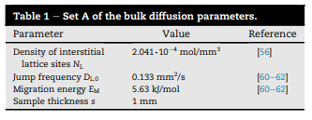
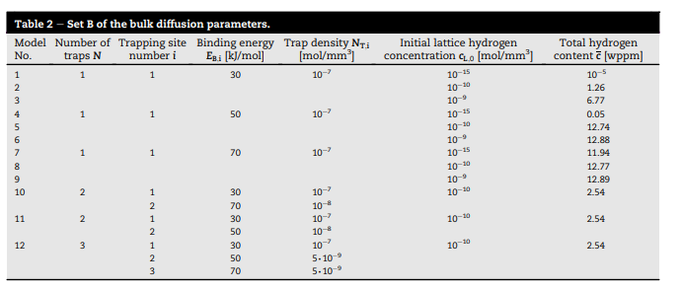
Rereference papers | International Journal of Hydrogen Energy 94 (2024) 510–524
 | TDS Simulator: A MATLAB App to model temperature-programmed hydrogen desorption - ScienceDirect
 | International journal of hydrogen energy 46 (2021) 39590 e39606
 | Critical verification of the Kissinger theory to evaluate thermal desorption spectra - ScienceDirect
Description | TDS, Oriani assumption, 2 traps

Parameters
T0 | 21 | °C | 294.15 | K
Tmax | 600 | °C | 873.15 | K | 2.9683834778
Heating rate | 2 | °C/s | 2 | K/s
Heating time | 289.5 | s
D0 | 0.133 | mm²/s
Ea | 5.63E+06 | mJ/mol
R | 8314.5 | N*mm/(mol*K)
Avogadro's number | 6.02E+23 | atoms/mol
Nl | 2.04E-04 | mol/mm³ | 1.2291E+20 | atoms/mm³
N_T1 | 6.02E+16 | sites/mm³ | 1.00E-07 | mol/mm³ |  | K1 | 2.124E+05 | Theta_T1 | 9.43E-02 | C_T1 | 5.68E+15 | atoms/mm³ | 9.43E-09 | mol/mm³ | Total C | 1.18E+16 | H atoms/mm³ | 1.95E-08 | mol/mm³ | 2.54E+00 | wppm
E_b1 | 3.00E+07 | mJ/mol
N_T2 | 6.02E+15 | sites/mm³ | 1.00E-08 | mol/mm³ |  | K2 | 2.6926405191E+12 | Theta_T2 | 9.9999924E-01 | C_T2 | 6.02E+15 | atoms/mm³ | 1.00E-08 | mol/mm³ |  |  |  |  | conversion mol/mm³ to wppm | 1.30E+08
E_b2 | 7.00E+07 | mJ/mol
C_L_0 | 1.00E-10 | mol/mm³ | 6.02E+13 | atoms/mm³ |  | Theta_L | 4.90E-07
Thickness | 1 | mm
xNFe | 8.41E+19 | Fe atoms/mm³
AtMFe | 5.58E-02 | kg/mol
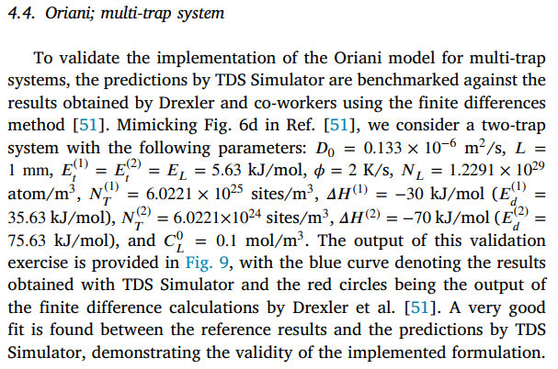
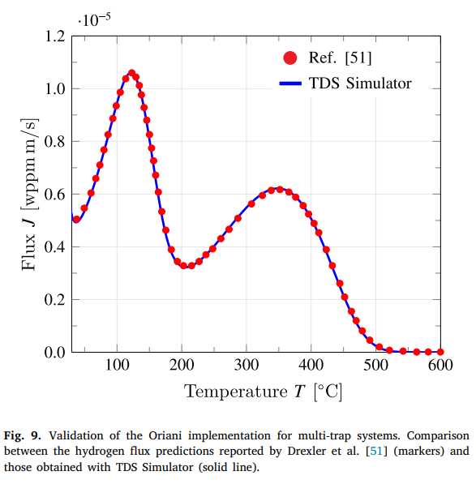
AtMH | 1.01E-03 | kg/mol
 | FEA
20.999994 | 4.081758E-16
21.000024 | 3.336029E+00
21.000055 | 3.361488E+00
21.000055 | 3.386863E+00
21.000085 | 3.437290E+00
21.000177 | 3.536879E+00
21.00033 | 3.731276E+00
21.000513 | 3.921165E+00
21.000726 | 4.169457E+00
21.00094 | 4.410640E+00
21.001154 | 4.645187E+00
21.001489 | 5.004704E+00
21.001825 | 5.348019E+00
21.002161 | 5.678984E+00
21.002618 | 6.091565E+00
21.002985 | 6.427707E+00
21.00329 | 6.697754E+00
21.003625 | 6.960812E+00
21.003839 | 7.157678E+00
21.004083 | 7.353121E+00
21.004327 | 7.545053E+00
21.00451 | 7.696531E+00
21.004724 | 7.845950E+00
21.004907 | 7.993394E+00
21.00509 | 8.138941E+00
21.005273 | 8.259576E+00
21.005426 | 8.378970E+00
21.005579 | 8.497161E+00
21.005731 | 8.614189E+00
21.005914 | 8.730090E+00
21.006067 | 8.844899E+00
21.006189 | 8.940830E+00
21.006342 | 9.036029E+00
21.006464 | 9.130511E+00
21.006616 | 9.224294E+00
21.006738 | 9.317396E+00
21.006891 | 9.409833E+00
21.007013 | 9.501621E+00
21.007135 | 9.592775E+00
21.007288 | 9.683310E+00
21.00741 | 9.773242E+00
21.007532 | 9.848140E+00
21.007654 | 9.922631E+00
21.007745 | 9.996722E+00
21.007867 | 1.007042E+01
21.00799 | 1.014373E+01
21.008112 | 1.021667E+01
21.008203 | 1.028923E+01
21.008325 | 1.036142E+01
21.008447 | 1.043326E+01
...
Height: | 0.02 | mm

C Fe atoms per unit of volume ([Fe atoms/mm^3])
xNFe=8.4113d19
C Molar weight of Fe ([kg/mol])
AtMFe = 55.845d-3
C Molar weight of H ([kg/mol])
AtMH = 1.00784d-3

Chart1
 | FEA
20.999994 | 4.081758E-16
21.000024 | 3.336029E+00
21.000055 | 3.361488E+00
21.000055 | 3.386863E+00
21.000085 | 3.437290E+00
21.000177 | 3.536879E+00
21.00033 | 3.731276E+00
21.000513 | 3.921165E+00
21.000726 | 4.169457E+00
21.00094 | 4.410640E+00
21.001154 | 4.645187E+00
21.001489 | 5.004704E+00
21.001825 | 5.348019E+00
21.002161 | 5.678984E+00
21.002618 | 6.091565E+00
21.002985 | 6.427707E+00
21.00329 | 6.697754E+00
21.003625 | 6.960812E+00
21.003839 | 7.157678E+00
21.004083 | 7.353121E+00
21.004327 | 7.545053E+00
21.00451 | 7.696531E+00
21.004724 | 7.845950E+00
21.004907 | 7.993394E+00
21.00509 | 8.138941E+00
21.005273 | 8.259576E+00
21.005426 | 8.378970E+00
21.005579 | 8.497161E+00
21.005731 | 8.614189E+00
21.005914 | 8.730090E+00
21.006067 | 8.844899E+00
21.006189 | 8.940830E+00
21.006342 | 9.036029E+00
21.006464 | 9.130511E+00
21.006616 | 9.224294E+00
21.006738 | 9.317396E+00
21.006891 | 9.409833E+00
21.007013 | 9.501621E+00
21.007135 | 9.592775E+00
21.007288 | 9.683310E+00
21.00741 | 9.773242E+00
21.007532 | 9.848140E+00
21.007654 | 9.922631E+00
21.007745 | 9.996722E+00
21.007867 | 1.007042E+01
21.00799 | 1.014373E+01
21.008112 | 1.021667E+01
21.008203 | 1.028923E+01
21.008325 | 1.036142E+01
21.008447 | 1.043326E+01
...

